Sheet1
Nama: Laudry

 |  | Gambar 1 |  |  |  |  |  |  | dataset (normal) |  |  | dataset (glasses) |  |  |  |  |  |  |  |  | dataset (masker)

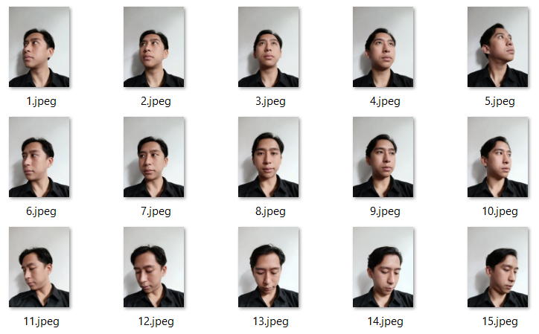
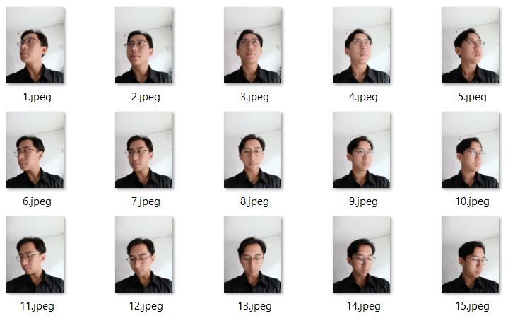
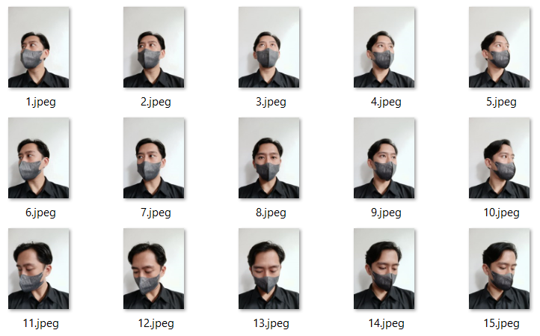

 | NORMAL
 | Facenet | MTCNN |  |  |  |  |  | RETINA FACE |  |  |  |  | Facenet512 |  | MTCNN |  |  |  |  | RETINA FACE |  |  |  | ArcFace | MTCNN |  |  |  | RETINA FACE
 |  | verified | distance | threshold | time |  |  | verified | distance | threshold | time |  |  |  | verified | distance | threshold | time |  | verified | distance | threshold | time |  | verified | distance | threshold | time | verified | distance | threshold | time
 |  | TRUE | 0.37788347632 | 0.4 | 8.884991169 |  |  | FALSE | 0.43563814139 | 0.4 | 15.015710831 |  |  |  | FALSE | 0.31458941304 | 0.3 | 9.3778245449 |  | FALSE | 0.3930834002 | 0.3 | 15.185795069 |  | TRUE | 0.53710796324 | 0.68 | 7.8744556904 | TRUE | 0.45218448265 | 0.68 | 12.99731636
 |  | TRUE | 0.23726590241 | 0.4 | 1.8668298721 |  |  | TRUE | 0.2793180537 | 0.4 | 3.9819128513 |  |  |  | FALSE | 0.30331085186 | 0.3 | 1.8326842785 |  | TRUE | 0.29530412149 | 0.3 | 4.0484092236 |  | TRUE | 0.59937560232 | 0.68 | 1.9708833694 | TRUE | 0.48606511089 | 0.68 | 4.0738601685
 |  | TRUE | 0.30145576679 | 0.4 | 2.1773424149 |  |  | TRUE | 0.28573493719 | 0.4 | 4.0443139076 |  |  |  | FALSE | 0.3218999141 | 0.3 | 2.1004116535 |  | TRUE | 0.29155686528 | 0.3 | 4.1018693447 |  | TRUE | 0.53661205459 | 0.68 | 1.9948043823 | TRUE | 0.47166593284 | 0.68 | 4.0902144909
 |  | TRUE | 0.30389137925 | 0.4 | 2.0388407707 |  |  | TRUE | 0.27883807459 | 0.4 | 4.0911266804 |  |  |  | TRUE | 0.27941203778 | 0.3 | 1.999284029 |  | FALSE | 0.32855199896 | 0.3 | 4.0923304558 |  | TRUE | 0.49141919091 | 0.68 | 1.8892810345 | TRUE | 0.4744205749 | 0.68 | 4.2954657078
 |  | FALSE | 0.52739068865 | 0.4 | 1.9639678001 |  |  | FALSE | 0.47190376535 | 0.4 | 4.1069180965 |  |  |  | FALSE | 0.47267374524 | 0.3 | 2.0160160065 |  | FALSE | 0.33711241861 | 0.3 | 4.105672121 |  | TRUE | 0.58451547748 | 0.68 | 2.0160181522 | TRUE | 0.49242770001 | 0.68 | 4.2329063416
 |  | FALSE | 0.41567911945 | 0.4 | 1.8327381611 |  |  | TRUE | 0.38021143292 | 0.4 | 4.0748422146 |  |  |  | TRUE | 0.2925448711 | 0.3 | 1.8327207565 |  | FALSE | 0.36286848463 | 0.3 | 4.1228783131 |  | TRUE | 0.48793646308 | 0.68 | 1.9546692371 | TRUE | 0.45911006472 | 0.68 | 4.2162704468
 |  | TRUE | 0.26630996814 | 0.4 | 1.817045927 |  |  | TRUE | 0.27284673015 | 0.4 | 4.1153514385 |  |  |  | TRUE | 0.26054525441 | 0.3 | 1.832695961 |  | TRUE | 0.26707868675 | 0.3 | 4.985473156 |  | TRUE | 0.46843171815 | 0.68 | 1.8937330246 | TRUE | 0.40966997168 | 0.68 | 4.1814072132
 |  | TRUE | 0.27587430995 | 0.4 | 1.8851659298 |  |  | TRUE | 0.26266604346 | 0.4 | 4.1627538204 |  |  |  | TRUE | 0.28171868993 | 0.3 | 1.9714274406 |  | TRUE | 0.26701419653 | 0.3 | 4.6393895149 |  | TRUE | 0.43344005642 | 0.68 | 1.9204061031 | TRUE | 0.37743091257 | 0.68 | 4.1814613342
 |  | TRUE | 0.32410808172 | 0.4 | 1.9470045567 |  |  | TRUE | 0.37016757045 | 0.4 | 4.1384572983 |  |  |  | TRUE | 0.2784695764 | 0.3 | 1.8916215897 |  | TRUE | 0.29433946587 | 0.3 | 4.6254205704 |  | TRUE | 0.45200250674 | 0.68 | 1.9213933945 | TRUE | 0.44849540369 | 0.68 | 4.2323393822
 |  | TRUE | 0.36908926063 | 0.4 | 1.8662817478 |  |  | TRUE | 0.31134925602 | 0.4 | 4.2164025307 |  |  |  | FALSE | 0.32161833636 | 0.3 | 1.8750276566 |  | FALSE | 0.33634832746 | 0.3 | 4.6255016327 |  | TRUE | 0.54690254045 | 0.68 | 1.906457901 | TRUE | 0.51103723849 | 0.68 | 4.218845129
 |  | FALSE | 0.48712703193 | 0.4 | 1.8737916946 |  |  | FALSE | 0.53302631762 | 0.4 | 4.1844184399 |  |  |  | FALSE | 0.36691066358 | 0.3 | 1.8593649864 |  | FALSE | 0.44830472751 | 0.3 | 4.6093525887 |  | TRUE | 0.50344423976 | 0.68 | 1.9641308784 | TRUE | 0.56593983043 | 0.68 | 4.1869072914
 |  | FALSE | 0.47861457894 | 0.4 | 2.1571481228 |  |  | FALSE | 0.52481626776 | 0.4 | 4.1376156807 |  |  |  | FALSE | 0.44316641847 | 0.3 | 1.8586592674 |  | FALSE | 0.39231246292 | 0.3 | 4.5755589008 |  | TRUE | 0.50368507142 | 0.68 | 1.8892629147 | TRUE | 0.5033861472 | 0.68 | 4.217666626
 |  | FALSE | 0.44511529883 | 0.4 | 1.8989589214 |  |  | FALSE | 0.50950092309 | 0.4 | 4.1079537868 |  |  |  | FALSE | 0.45199677843 | 0.3 | 1.8436124325 |  | FALSE | 0.39823719362 | 0.3 | 4.5459001064 |  | TRUE | 0.48997957263 | 0.68 | 1.8612744808 | TRUE | 0.5542679827 | 0.68 | 4.1655008793
 |  | FALSE | 0.42647115105 | 0.4 | 1.9314322472 |  |  | FALSE | 0.49677891085 | 0.4 | 4.1547622681 |  |  |  | TRUE | 0.26129377444 | 0.3 | 2.0457968712 |  | FALSE | 0.35309149005 | 0.3 | 4.5604972839 |  | TRUE | 0.57065639736 | 0.68 | 1.9870233536 | TRUE | 0.61700020437 | 0.68 | 4.172399044
 |  | FALSE | 0.44174458094 | 0.4 | 2.0036356449 |  |  | FALSE | 0.50069762814 | 0.4 | 4.106951952 |  |  |  | FALSE | 0.30587140926 | 0.3 | 1.9523222446 |  | FALSE | 0.32007619618 | 0.3 | 4.634624958 |  | FALSE | 0.74195640781 | 0.68 | 1.9293711185 | TRUE | 0.64923877329 | 0.68 | 4.2755668163

 | GLASSES
 | Facenet | MTCNN |  |  |  |  |  | RETINA FACE |  |  |  |  | Facenet512 |  | MTCNN |  |  |  |  | RETINA FACE |  |  |  | ArcFace | MTCNN |  |  |  | RETINA FACE
 |  | verified | distance | threshold | time |  |  | verified | distance | threshold | time |  |  |  | verified | distance | threshold | time |  | verified | distance | threshold | time |  | verified | distance | threshold | time | verified | distance | threshold | time
 |  | FALSE | 0.75436139192 | 0.4 | 9.4825651646 |  |  | FALSE | 0.85186844905 | 0.4 | 14.650286674 |  |  |  | FALSE | 0.314576939 | 0.3 | 9.7184696198 |  | FALSE | 0.42067020322 | 0.3 | 14.727325439 |  | TRUE | 0.67960049928 | 0.68 | 7.4838969707 | FALSE | 0.82166605172 | 0.68 | 12.948491335
 |  | TRUE | 0.36795801243 | 0.4 | 1.821903944 |  |  | FALSE | 0.46891905071 | 0.4 | 4.1296229362 |  |  |  | FALSE | 0.39252482082 | 0.3 | 1.8209974766 |  | FALSE | 0.36137161092 | 0.3 | 4.0048437119 |  | TRUE | 0.5903491768 | 0.68 | 1.9071567059 | TRUE | 0.62351591852 | 0.68 | 4.1110198498
 |  | FALSE | 0.41845116688 | 0.4 | 1.7994413376 |  |  | FALSE | 0.53643169341 | 0.4 | 4.0921525955 |  |  |  | FALSE | 0.43967278355 | 0.3 | 1.849583149 |  | FALSE | 0.42500842639 | 0.3 | 4.0297117233 |  | TRUE | 0.60362808245 | 0.68 | 2.0380470753 | FALSE | 0.70020583905 | 0.68 | 4.1224911213
 |  | FALSE | 0.52481021148 | 0.4 | 1.8361406326 |  |  | FALSE | 0.71540582907 | 0.4 | 5.0787723064 |  |  |  | FALSE | 0.46759769548 | 0.3 | 1.8001885414 |  | FALSE | 0.45907241508 | 0.3 | 4.0775980949 |  | TRUE | 0.60970478826 | 0.68 | 1.9431974888 | TRUE | 0.65023806065 | 0.68 | 5.7191040516
 |  | FALSE | 0.66948481694 | 0.4 | 1.9138538837 |  |  | FALSE | 0.70521579699 | 0.4 | 4.7649610043 |  |  |  | FALSE | 0.415083303 | 0.3 | 1.8995578289 |  | FALSE | 0.43140531004 | 0.3 | 4.1040196419 |  | TRUE | 0.66154981069 | 0.68 | 1.9817345142 | FALSE | 0.71535300494 | 0.68 | 4.8108587265
 |  | FALSE | 0.47100313512 | 0.4 | 1.8471586704 |  |  | FALSE | 0.49321738071 | 0.4 | 4.5765075684 |  |  |  | FALSE | 0.47659967902 | 0.3 | 1.8325259686 |  | FALSE | 0.40973560917 | 0.3 | 4.107558012 |  | TRUE | 0.47797310243 | 0.68 | 1.9515459538 | TRUE | 0.59759577059 | 0.68 | 4.6714160442
 |  | TRUE | 0.31891129254 | 0.4 | 1.8335959911 |  |  | TRUE | 0.31039513655 | 0.4 | 4.5808932781 |  |  |  | FALSE | 0.38757011242 | 0.3 | 1.8017785549 |  | FALSE | 0.37056099617 | 0.3 | 4.0511958599 |  | TRUE | 0.47436589988 | 0.68 | 2.0219724178 | TRUE | 0.50670888808 | 0.68 | 4.6705341339
 |  | TRUE | 0.21113999007 | 0.4 | 1.8983809948 |  |  | TRUE | 0.27246031105 | 0.4 | 4.6401011944 |  |  |  | FALSE | 0.30685860189 | 0.3 | 1.9445207119 |  | TRUE | 0.29192477297 | 0.3 | 4.2411131859 |  | TRUE | 0.43252372651 | 0.68 | 1.9409322739 | TRUE | 0.47342729774 | 0.68 | 4.6905882359
 |  | FALSE | 0.43102938569 | 0.4 | 1.950324297 |  |  | FALSE | 0.49113842589 | 0.4 | 4.6515777111 |  |  |  | TRUE | 0.2824992807 | 0.3 | 1.9351053238 |  | TRUE | 0.27135570601 | 0.3 | 4.1060910225 |  | TRUE | 0.54277629874 | 0.68 | 1.9901001453 | TRUE | 0.65361862818 | 0.68 | 4.6987240314
 |  | FALSE | 0.44766552543 | 0.4 | 1.8327791691 |  |  | FALSE | 0.46712129417 | 0.4 | 4.6250805855 |  |  |  | FALSE | 0.4346549386 | 0.3 | 1.8171172142 |  | FALSE | 0.37241838509 | 0.3 | 4.0766382217 |  | FALSE | 0.68127584294 | 0.68 | 1.9189212322 | TRUE | 0.65846648962 | 0.68 | 4.7992532253
 |  | FALSE | 0.47284907236 | 0.4 | 1.817193985 |  |  | FALSE | 0.57260153737 | 0.4 | 4.5788505077 |  |  |  | FALSE | 0.48652852036 | 0.3 | 1.8162941933 |  | FALSE | 0.50527329646 | 0.3 | 4.0986750126 |  | TRUE | 0.58516480164 | 0.68 | 1.9379634857 | TRUE | 0.65195923925 | 0.68 | 4.8099749088
 |  | FALSE | 0.48870981483 | 0.4 | 2.0657365322 |  |  | FALSE | 0.54299153622 | 0.4 | 4.6070373058 |  |  |  | FALSE | 0.45288371623 | 0.3 | 1.865904808 |  | FALSE | 0.42975159025 | 0.3 | 4.1132309437 |  | TRUE | 0.45468075537 | 0.68 | 1.9003295898 | TRUE | 0.57716653999 | 0.68 | 4.7191944122
 |  | FALSE | 0.50450415034 | 0.4 | 1.8017516136 |  |  | FALSE | 0.47756302956 | 0.4 | 4.6430778503 |  |  |  | FALSE | 0.49885681769 | 0.3 | 1.8182871342 |  | FALSE | 0.40388579378 | 0.3 | 4.107963562 |  | TRUE | 0.54436552634 | 0.68 | 2.0406498909 | TRUE | 0.55462805656 | 0.68 | 4.6394641399
 |  | FALSE | 0.43552401468 | 0.4 | 1.829400301 |  |  | FALSE | 0.4936665875 | 0.4 | 4.5420417786 |  |  |  | TRUE | 0.29955554149 | 0.3 | 2.2905812263 |  | FALSE | 0.36198648559 | 0.3 | 4.1125473976 |  | TRUE | 0.55101455048 | 0.68 | 1.9569621086 | TRUE | 0.57960942214 | 0.68 | 4.6561841965
 |  | FALSE | 0.49057033641 | 0.4 | 1.829241991 |  |  | FALSE | 0.54631092719 | 0.4 | 4.7650702 |  |  |  | FALSE | 0.46149869529 | 0.3 | 2.0830552578 |  | FALSE | 0.42343443558 | 0.3 | 4.1193799973 |  | TRUE | 0.66078668334 | 0.68 | 1.9326958656 | TRUE | 0.6442040274 | 0.68 | 4.7174134254

 | MASKER
 | Facenet | MTCNN |  |  |  |  |  | RETINA FACE |  |  |  |  | Facenet512 |  | MTCNN |  |  |  |  | RETINA FACE |  |  |  | ArcFace | MTCNN |  |  |  | RETINA FACE
 |  | verified | distance | threshold | time |  |  | verified | distance | threshold | time |  |  |  | verified | distance | threshold | time |  | verified | distance | threshold | time |  | verified | distance | threshold | time | verified | distance | threshold | time
 |  | FALSE | 0.55145132532 | 0.4 | 9.3742287159 |  |  | FALSE | 0.54360695868 | 0.4 | 14.655515909 |  |  |  | FALSE | 0.53970835696 | 0.3 | 9.5310945511 |  | FALSE | 0.44721587969 | 0.3 | 14.783047199 |  | TRUE | 0.58434263191 | 0.68 | 7.6819603443 | TRUE | 0.56283918702 | 0.68 | 12.925822973
 |  | FALSE | 0.42612479695 | 0.4 | 1.7801525593 |  |  | FALSE | 0.48993559226 | 0.4 | 3.9671914577 |  |  |  | FALSE | 0.38594590217 | 0.3 | 1.8855967522 |  | TRUE | 0.29320546623 | 0.3 | 3.9496884346 |  | TRUE | 0.64528439674 | 0.68 | 1.8616423607 | TRUE | 0.58697352599 | 0.68 | 4.0909142494
 |  | FALSE | 0.47867305405 | 0.4 | 1.7976388931 |  |  | FALSE | 0.4769624884 | 0.4 | 3.9819581509 |  |  |  | FALSE | 0.45383169346 | 0.3 | 1.7994196415 |  | FALSE | 0.34535359957 | 0.3 | 3.996742487 |  | TRUE | 0.59764062855 | 0.68 | 2.0669882298 | TRUE | 0.54078535698 | 0.68 | 4.0904767513
 |  | TRUE | 0.35375426875 | 0.4 | 1.863701582 |  |  | FALSE | 0.50013031906 | 0.4 | 4.0903186798 |  |  |  | FALSE | 0.38366007789 | 0.3 | 1.8660213947 |  | FALSE | 0.36068945519 | 0.3 | 4.0950450897 |  | TRUE | 0.60298126386 | 0.68 | 1.9026665688 | TRUE | 0.56875669438 | 0.68 | 4.1876978874
 |  | FALSE | 0.4978057922 | 0.4 | 2.1200067997 |  |  | FALSE | 0.482049221 | 0.4 | 4.1380469799 |  |  |  | FALSE | 0.4373751896 | 0.3 | 1.8659927845 |  | FALSE | 0.38979371222 | 0.3 | 4.0885167122 |  | FALSE | 0.83646469762 | 0.68 | 1.9293069839 | FALSE | 0.83397539913 | 0.68 | 4.1996307373
 |  | FALSE | 0.48955867303 | 0.4 | 1.9649629593 |  |  | FALSE | 0.5704624049 | 0.4 | 4.1235928535 |  |  |  | FALSE | 0.57310131239 | 0.3 | 1.8660774231 |  | FALSE | 0.49033063352 | 0.3 | 4.1379206181 |  | TRUE | 0.50729853697 | 0.68 | 1.950617075 | TRUE | 0.50470371509 | 0.68 | 4.1901464462
 |  | FALSE | 0.44204958596 | 0.4 | 1.8165690899 |  |  | FALSE | 0.47119848038 | 0.4 | 4.1050572395 |  |  |  | FALSE | 0.4430137152 | 0.3 | 1.7995042801 |  | FALSE | 0.35490221238 | 0.3 | 4.1062488556 |  | TRUE | 0.46744036686 | 0.68 | 1.8721339703 | TRUE | 0.445594269 | 0.68 | 4.2590477467
 |  | FALSE | 0.40293520064 | 0.4 | 1.8666126728 |  |  | FALSE | 0.43708529092 | 0.4 | 4.0922672749 |  |  |  | FALSE | 0.43273965209 | 0.3 | 1.7998859882 |  | FALSE | 0.44670092128 | 0.3 | 4.1235466003 |  | TRUE | 0.5400675615 | 0.68 | 1.863309145 | TRUE | 0.40457978556 | 0.68 | 4.2468311787
 |  | FALSE | 0.44887453553 | 0.4 | 1.8702399731 |  |  | FALSE | 0.50350273761 | 0.4 | 4.1699132919 |  |  |  | FALSE | 0.45509648263 | 0.3 | 1.8363394737 |  | FALSE | 0.43027404353 | 0.3 | 4.1527760029 |  | TRUE | 0.56998101646 | 0.68 | 1.9460077286 | TRUE | 0.52862675365 | 0.68 | 4.221817255
 |  | FALSE | 0.40662704156 | 0.4 | 1.9107367992 |  |  | FALSE | 0.53534280476 | 0.4 | 4.1230180264 |  |  |  | FALSE | 0.37050754788 | 0.3 | 1.9116976261 |  | FALSE | 0.41387443366 | 0.3 | 4.2071299553 |  | FALSE | 0.91143479774 | 0.68 | 1.9751720428 | FALSE | 0.77445709445 | 0.68 | 4.3991980553
 |  | FALSE | 0.53547473362 | 0.4 | 1.8360409737 |  |  | FALSE | 0.62007437647 | 0.4 | 4.1216800213 |  |  |  | FALSE | 0.45785618939 | 0.3 | 1.8194332123 |  | FALSE | 0.62212998023 | 0.3 | 4.1630284786 |  | FALSE | 0.69693000491 | 0.68 | 1.9044940472 | TRUE | 0.57968017639 | 0.68 | 4.2163527012
 |  | FALSE | 0.48765785747 | 0.4 | 1.8959662914 |  |  | FALSE | 0.59401487855 | 0.4 | 4.169383049 |  |  |  | FALSE | 0.4309380027 | 0.3 | 1.863489151 |  | FALSE | 0.46880339102 | 0.3 | 4.1548011303 |  | TRUE | 0.67978316538 | 0.68 | 1.9358351231 | TRUE | 0.54058993393 | 0.68 | 4.2492470741
 |  | FALSE | 0.57842508427 | 0.4 | 1.851855278 |  |  | FALSE | 0.60135930057 | 0.4 | 4.1713020802 |  |  |  | FALSE | 0.40332212663 | 0.3 | 1.783383131 |  | FALSE | 0.42923902734 | 0.3 | 4.1068906784 |  | TRUE | 0.65658166065 | 0.68 | 1.9305820465 | TRUE | 0.58956151178 | 0.68 | 4.1922309399
 |  | FALSE | 0.56227805759 | 0.4 | 1.8978812695 |  |  | FALSE | 0.61105679728 | 0.4 | 4.1847586632 |  |  |  | FALSE | 0.3754269733 | 0.3 | 1.8311843872 |  | FALSE | 0.32074575828 | 0.3 | 4.0992805958 |  | FALSE | 0.81821225002 | 0.68 | 2.0835673809 | FALSE | 0.68027738299 | 0.68 | 4.2093803883
 |  | FALSE | 0.64836091458 | 0.4 | 2.1269090176 |  |  | FALSE | 0.57980617306 | 0.4 | 4.1742932796 |  |  |  | FALSE | 0.32603698051 | 0.3 | 2.0007498264 |  | FALSE | 0.33103471015 | 0.3 | 4.0702295303 |  | FALSE | 0.8582775262 | 0.68 | 1.8993957043 | FALSE | 0.83233528098 | 0.68 | 4.2016017437

 |  | Kesimpulan Akurasi
 |  | Foto Normal
 |  | Facenet | detector backend |  | akurasi |  | rata rata waktu |  | Facenet512 | detector backend |  | akurasi |  | rata rata waktu |  | ArcFace | detector backend |  | akurasi |  | rata rata waktu
 |  |  | mtcnn | retina face | mtcnn | retina face |  |  |  | mtcnn | retina face | mtcnn | retina face |  |  |  | mtcnn | retina face | mtcnn | retina face
 |  |  | TRUE: 8, FALSE: 7 | TRUE: 8, FALSE: 7 | 53.333333333 | 53.333333333 | 3.6261555592 |  |  | TRUE: 6, FALSE: 9 | TRUE: 5, FALSE: 10 | 40 | 33.333333333 | 3.7916047653 |  |  | TRUE: 14, FALSE: 1 | TRUE: 15, FALSE: 0 | 93.333333333 | 100 | 3.5570430756

 |  | Glasses
 |  | Facenet | detector backend |  | akurasi |  | rata rata waktu |  | Facenet512 | detector backend |  | akurasi |  | rata rata waktu |  | ArcFace | detector backend |  | akurasi |  | rata rata waktu
 |  |  | mtcnn | retina face | mtcnn | retina face |  |  |  | mtcnn | retina face | mtcnn | retina face |  |  |  | mtcnn | retina face | mtcnn | retina face
 |  |  | TRUE: 3, FALSE: 12 | TRUE: 2, FALSE: 13 | 20 | 13.333333333 | 3.8161834002 |  |  | TRUE: 2, FALSE: 13 | TRUE: 2, FALSE: 13 | 13.333333333 | 13.333333333 | 3.6123952945 |  |  | TRUE: 14, FALSE: 1 | TRUE: 12, FALSE: 3 | 93.333333333 | 80 | 3.7910272519

 |  | Masker
 |  | Facenet | detector backend |  | akurasi |  | rata rata waktu |  | Facenet512 | detector backend |  | akurasi |  | rata rata waktu |  | ArcFace | detector backend |  | akurasi |  | rata rata waktu
 |  |  | mtcnn | retina face | mtcnn | retina face |  |  |  | mtcnn | retina face | mtcnn | retina face |  |  |  | mtcnn | retina face | mtcnn | retina face
 |  |  | TRUE: 1, FALSE: 14 | TRUE: 0, FALSE: 15 | 6.6666666667 | 0 | 3.6080599944 |  |  | TRUE: 0, FALSE: 15 | TRUE: 1, FALSE: 14 | 0 | 6.6666666667 | 3.5898253997 |  |  | TRUE: 10, FALSE: 5 | TRUE: 11, FALSE: 4 | 66.666666667 | 73.333333333 | 3.5561358293
 |  | RATA RATA |  |  | 26.666666667 | 22.222222222 | 3.6834663179 |  |  |  |  | 17.777777778 | 17.777777778 | 3.6646084865 |  |  |  |  | 84.444444444 | 84.444444444 | 3.6347353856

 |  | Kesimpulan Model
 |  |  | Model | Distance Terkecil | Distance Terbesar | Waktu Tercepat |  | Waktu Terlama | Rata Rata Distance | Akurasi
 |  |  | Facenet | 0.21113999007 | 0.85186844905 | 1.7801525593 |  | 15.015710831 | 0.46522702995 | 24.444444444
 |  |  | Facenet512 | 0.26054525441 | 0.62212998023 | 1.783383131 |  | 15.185795069 | 0.38565524089 | 17.777777778
 |  |  | ArcFace | 0.37743091257 | 0.91143479774 | 1.8612744808 |  | 12.99731636 | 0.58138205494 | 84.444444444

